Source
Employees | Date | Employees
Smith | 2022-10-01 | Smith
Robert | 2022-10-02 | Smith
Lucy | 2022-10-02 | Smith

John | 2022-10-01 | Lucy
Michael | 2022-10-05 | Lucy
Mary | 2022-10-03 | Michael
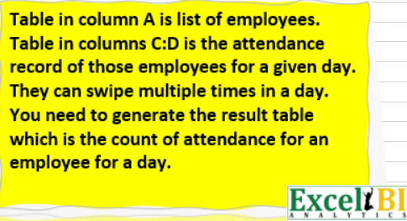
 | 2022-10-04 | Michael
 | 2022-10-05 | Michael
 | 2022-10-01 | Mary
 | 2022-10-01 | Mary
 | 2022-10-01 | Mary
 | 2022-10-03 | Mary
 | 2022-10-03 | Mary

